P7
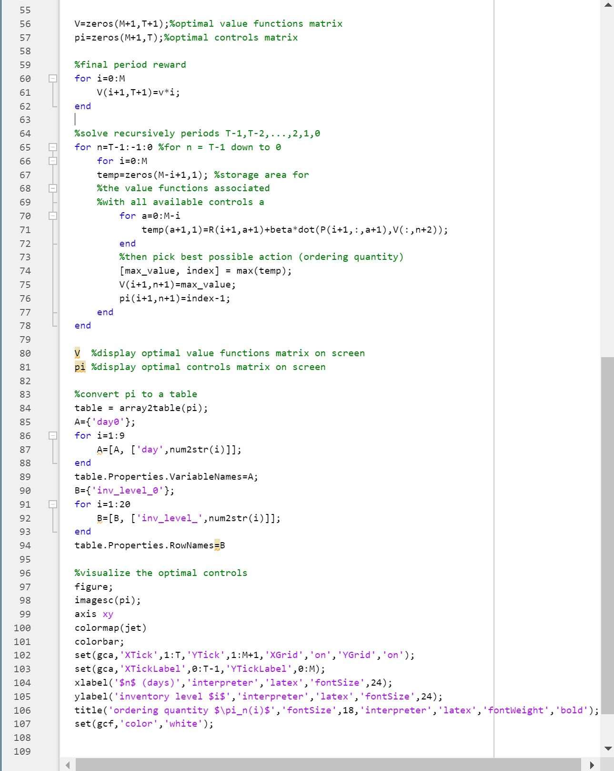
a) and b) | Formulate the problem as an MDP in Matlab and visualize the opitmal policy

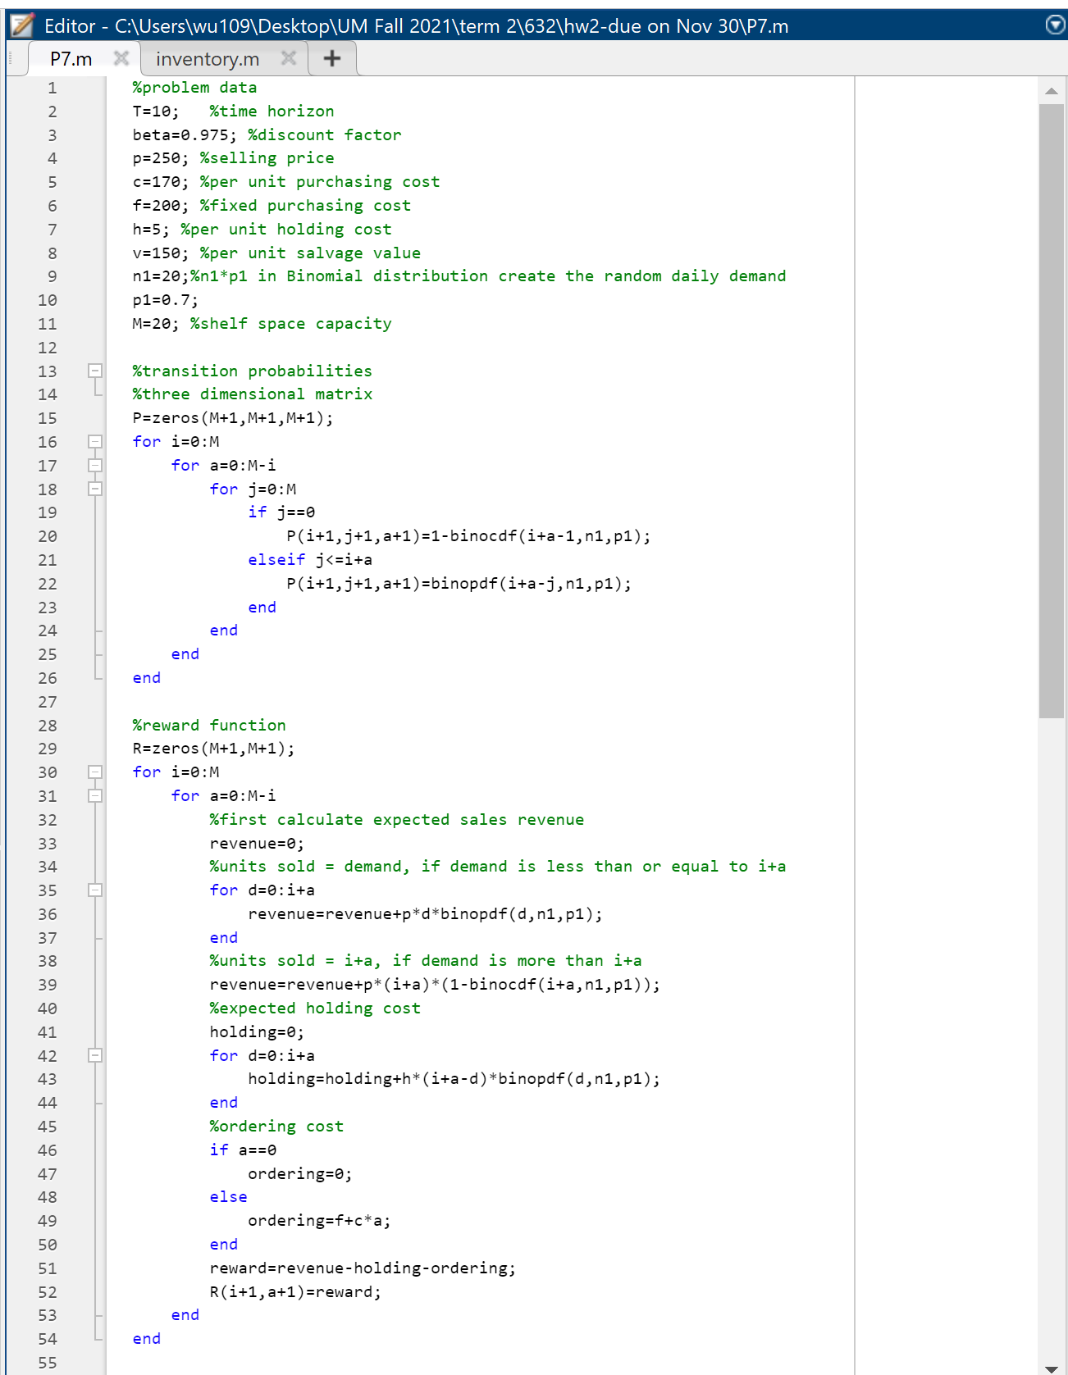
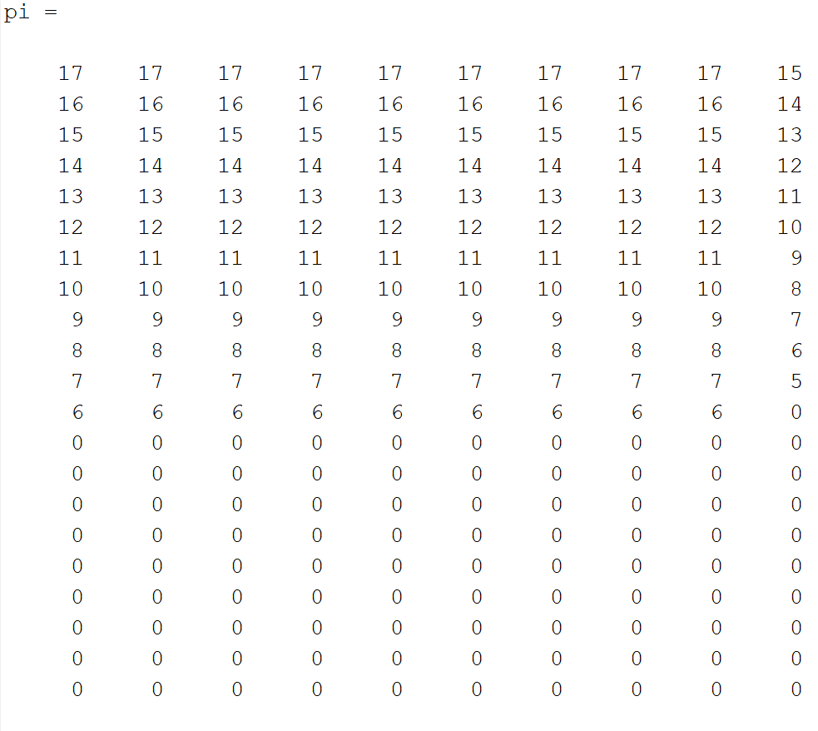
Matlab code |  | Solution | c) and d) | Interpretation
 |  |  |  | The heat map indicate that when intentory level drops at s or below (below solid dark blue area), order enough new unites so that inventory level goes back to S
 |  |  |  | Optimal policy:
 |  |  |  | Day 0-Day 8: | when s drops to 6, make order to go back to S=17
 |  |  |  | Day 9: | when s drops to 5, make order to go back to S=15

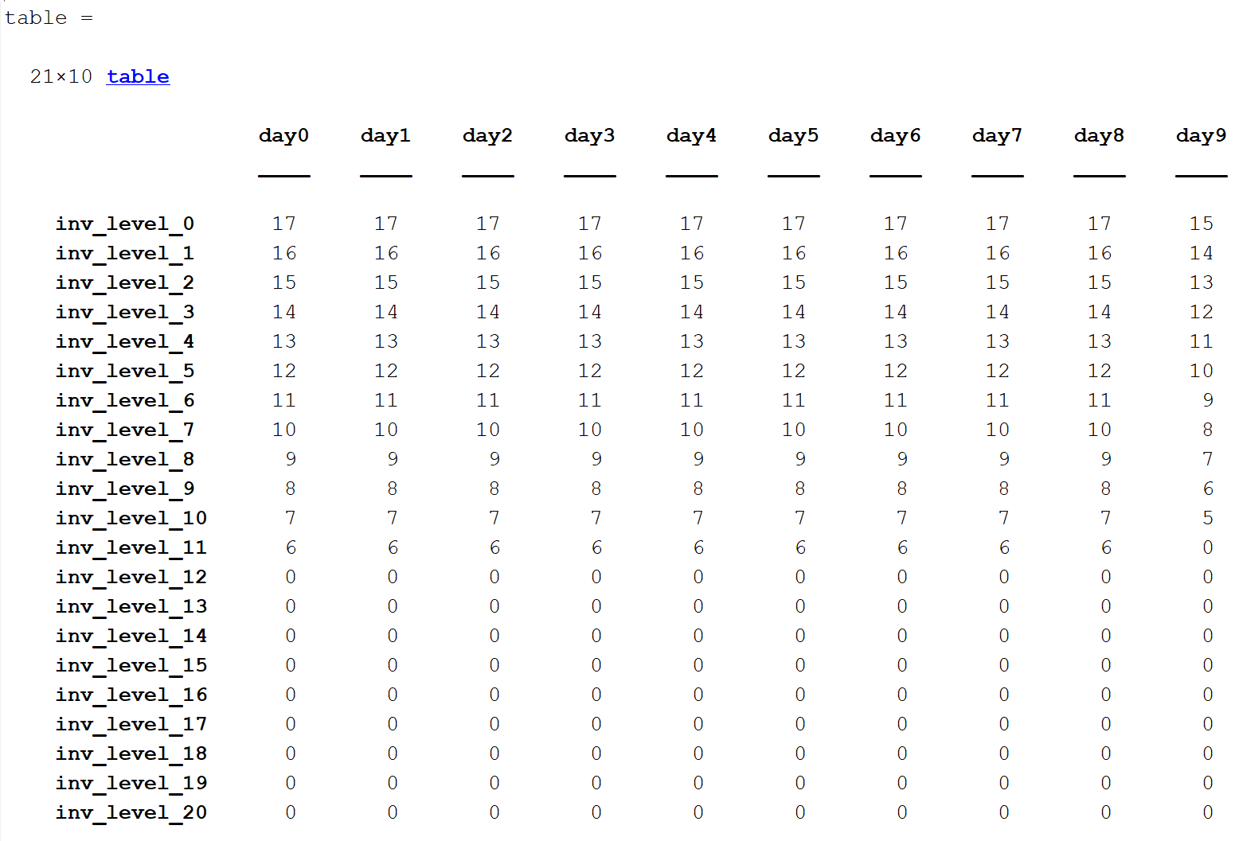
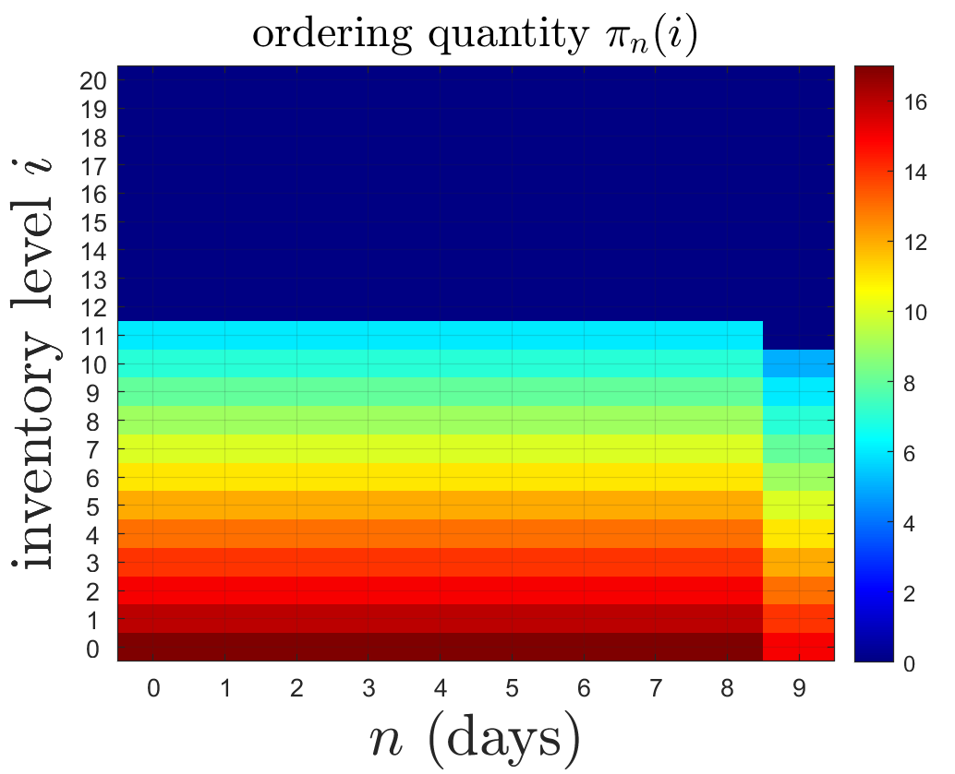
No order
Order

